
 |  |  |  | CODE: |  |  | pl1060 ab SN from 99B1271
DESCRIPTION: |  | ELECTRIC UNIT 1 |  | ELEKTRISCHE GRUPPE 1 | GROUPE ELECTRIQUE 1 | GRUPO ELÉCTRICO 1 | PARTI ELETTRICHE 1
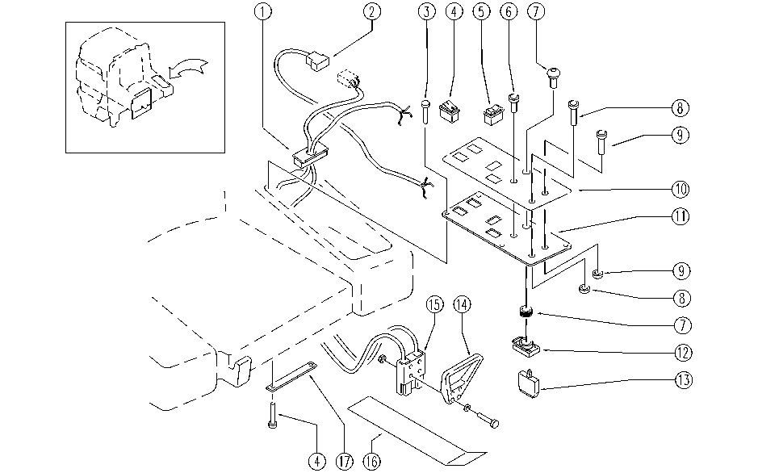

REF. | CODICE | DESCRIPTION | QT
1 | SL14230 | TERMINAL | 1
2 | SL23478 | WIRING | 1
3 | SL04223 | SCREW | 10
4 | E86423 | Bipolar Switch | 2
5 | E87805 | Switch FS28 | 2
6 | SL23024 | PILOT LIGHT | 1
7 | E86988 | Operator D22 Mushroom complete | 1
7 | E86909 | AS30/36 Reverse Switch | 1
8 | E86909 | AS30/36 Reverse Switch | 1
8 | E88116 | Push Button Horn | 1
9 | E86909 | AS30/36 Reverse Switch | 1
9 | E88116 | Push Button Horn | 1
9 | E88116 | Push Button Horn | 1
9 | E88116 | Push Button Horn | 1
10 | SL25784 | ADESIVE LABEL | 1
11 | SL09952 | PLATE | 1
12 | E86988 | Operator D22 | 1
13 | E86988 | Operator D22 | 2
14 | E86947 | Handle Plug, Anderson | 1
15 | E86946 | Anderson Plug, 160 AC | 1
16 | SL09917 | PLATE | 1
17 | SL09526 | SUPPORT | 3

